Blad1
Item | Colour | Size,s | XS | S | M | L | Xl | XXL | Total PCS | Retailprice | WSP | Offer Price

5H3386 | W34 | 3pack | 5 | 187 | 309 | 282 | 172 | 60 | 1015 | 48 | 24 | € 22.00
5H3407 | O31 | 3pack | 1 | 193 | 433 | 499 | 328 | 100 | 1554 | 45 | 22.5 | € 20.75
5H3411 | VDP | 3pack | 5 | 141 | 237 | 188 | 117 | 41 | 729 | 48 | 24 | € 21.75
 | W3T | 3pack | 0 | 213 | 357 | 342 | 189 | 73 | 1174
5H5203 | O31 | 5pack | 10 | 231 | 614 | 612 | 568 | 157 | 2192 | 65 | 32.5 | € 28.50
 | U7I | 5pack |  | 39 | 174 | 104 | 53 | 9 | 379
 | XB4 | 5pack | 10 | 175 | 458 | 458 | 429 | 292 | 149
5H8385 | O31 | 3pack | 5 | 83 | 186 | 202 | 100 | 58 | 634 | 45 | 22.5 | € 20.75
5H9623 | O31 | 3pack |  | 258 | 400 | 385 | 199 | 122 | 1364 | 47 | 23.5 | € 21.75
 | VUC | 3pack |  | 98 | 132 | 181 | 89 | 61 | 561
5H3401 | HYO | 3pack | 3 | 80 | 150 | 130 | 109 | 37 | 509 | 43 | 21.5 | € 20
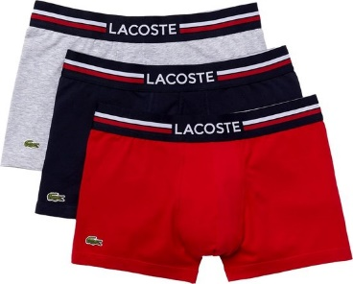
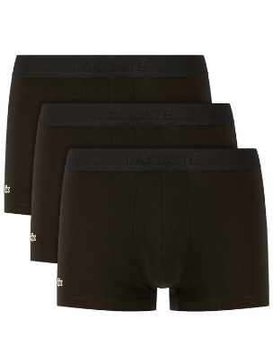
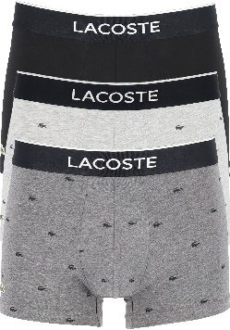
 |  |  |  |  |  |  |  |  | 10260
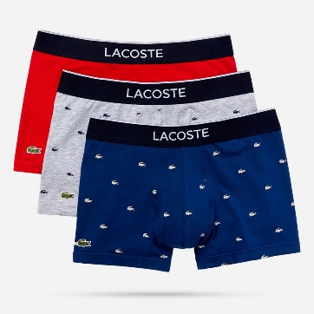
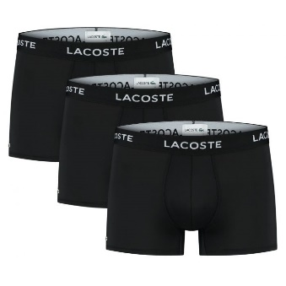

 | 5H3386 | W34

 |  |  |  | 5H3407 | O31 |  | 5H3411 | VDP |  | 5H3411 W3T |  | 5H9623 | O31
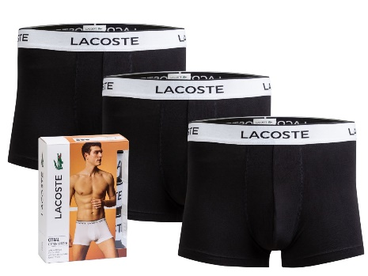
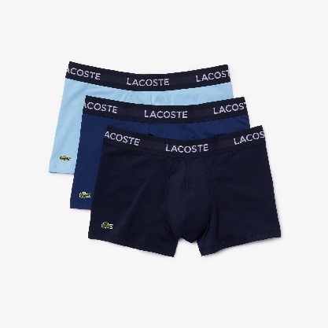
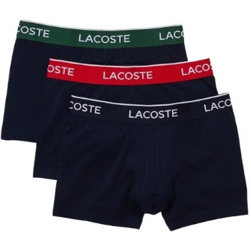
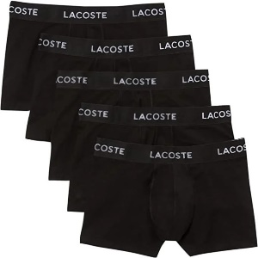
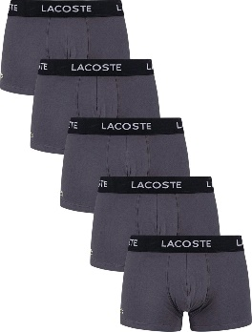

5H5203 | O31
 |  |  |  | 5H5203 | XBW |  | 5H8385 | O31 |  | 5H9623 | VUC |  | 5H3401 | HYO

